FMEA
Failure Mode and Effects Analysis (FMEA)
 | User FMEA
 | IFU Step | Potential Failure Mode | Cause/s | Effect/s | Probability of Occurance (Frequent-Improbable) | Severity (Catastrophic-Negligible) | Acceptable? | Mitigation Plan
 | Device Setup | Break / tear the attachment mechanism between components - anecdotal | too much force, misunderstanding of assembly | lateral movement of housing during training activities | occasional | minor | A | include instructions of mechanism, suggest ways to improve ease of assembly in instructions, reinforce at insertion / high friction points
 | Device Setup | insecure assembly results in unstable structures - anecdotal | misunderstanding instructions, not reading instructions, unintuitive design | instability of structures, reduced ability to perform tasks | probable | negligible | A | emphasize careful reading of instructions, labeling of components for intuitive assembly
 | Device Setup / Disassembly | Break laparoscopic tool during insertion / removal | too much friction in port requires forceful insertion | broken tool, reduce ability to perform tasks | remote | moderate | A | design low friction insertion points, include instructions
 | Device Setup / Disassembly | break dome / housing during assembly | excessive force, bending in direction that does not allow, ripping materials | unable to perform tasks, require material replacement | remote | moderate | A | instructions for assembly, included on structure itself (?), material that allows for some flexibility
 | Device Setup / Disassembly | poke hole in housing / grommet during tool insertion / removal | too much force associated with tool insertion, inaccurate tool location during inerstion | potentially weaken the structure with repeated occurrences | remote | minor | A | clear designation for insertion points, reduce friction associated with insertion to limit force needed
 | Device Setup | break camera | excessive force during camera insertion | unable to perform tasks, relatively expensive repair | remote | moderate | A | provide insertion method that limits exposure of camera lens to insertion, protect delicate components of camera in housing
 | Task Setup | rip gauze, break object, tear penrose | excessive force in setting up task components, mishandling of objects | resource waste | remote | negligible | A | reduce friction from pattern on gauze during drawing
 | Task Setup / Performance | pegs move off pegboard | excessive force when performing peg transfer task or insertion of pegs into board | resource waste, acquire new pegboard, unable to perform task | occasional | minor | A | design with durable material to reduce likelihood of breakage
 | Task Setup | inserts board incorrectly | not aware of correct configuration or adherence mechanism | reinsert task, delay in performance | occasional | negligible | A | provide instructions for insertion of tasks
 | Task Performance | performs task incorrectly | unaware of task instructions | faulty performance | occasional | negligible | A | provide instructions for task completion
 | Task Performance | camera angled / positioned incorrectly | inabilty to perform task | pause task to reorient camera | probable | negligible | A | instructions for camera orientation, part of learning process
 | Device Disassembly | break dome off base | excessive force used, did not unlatch locking mechansim | broken dome, unable to perform any task | remote | moderate | A | instructions for disassembly
 | Device Disassembly / Storage | lose task component | negligence in disassembly and storage process | resource waste, unable to perform entirey of task | probable | negligible | A | provide storage space within device to avoid remote storage and potential for loss

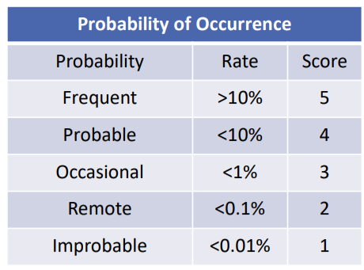
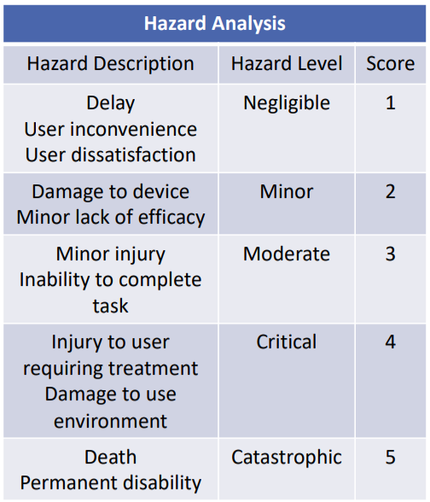
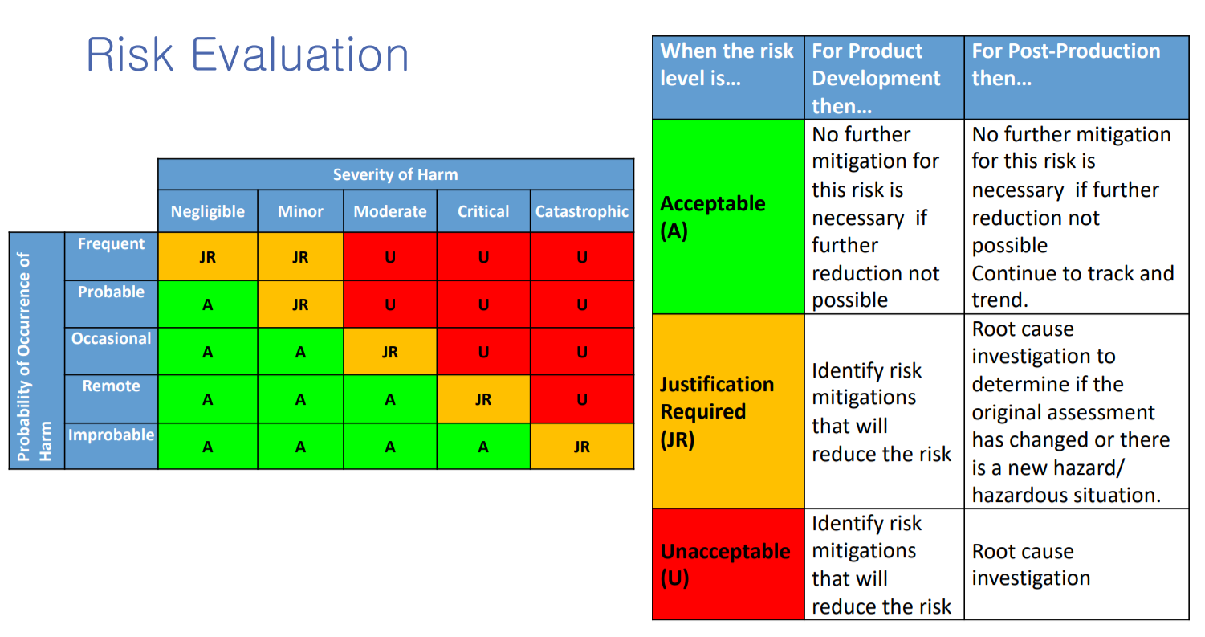

 | Design FMEA
 | Part | Potential Failure Mode | Cause/s | Effect/s | Probability of Occurance (Frequent-Improbable) | Severity (Catastrophic-Negligible) | Acceptable? | Mitigation Plan
 | Dome / Housing | does not fit onto base | improper clearance / tolerancing fit | unstable structure to perform task | improbable | moderate | A | ensure design allows for proper clearance / fit
 | Dome / Housing | breaks / rips / tears in shipping | sudden forces applied during shipping, insufficient packaging | broken structure, unable to use | remote | moderate | A | ensure sufficient packaging during shipping, design for collapsibility for shipping
 | Dome / Housing | does not assemble into dome structure | not clear instructions for assembly, poor design / tolerances | unstable structure to perform task | remote | moderate | A | ensure design allows for proper assembly, include clear instructions and intuitive assembly
 | Base / Dome | lack of securing between base and dome | improper alignment between components, latch falls off one of the parts, latch too lose for gap | insecure / unstable attachment between dome and base, lateral translation of dome | remote | moderate | A | testing of latching mechanism, ensure proper securing of latch to components
 | Base / Dome | securing between base and dome does not release | broken latch, too strong of latch mechanism | unable to disassemble device, cannot collapse for easy movement | remote | minor | A | testing of latching mechanism, ensure quality of latching mechanism and arrangement relative to dome and base
 | Base / Dome | tools do not reach from base to task platform | poor alignment between ports and task area, too great of distance between dome and base | unable to perform tasks effectively | improbable | moderate | A | design dome so that all ports can reach task platform from insertion ports
 | Base / Dome | device slides on table top | device not heavy enough, limited friction between base and table | unable to perform tasks effectively | remote | minor | A | add suction cups, add weight to device to increase friction
 | Base / Dome | dome comes off base during use | insufficent attachment strength for movement, more extreme tool movement than anticipated (novice users) | unstable structure to perform tasks, allows for greater freedom of movement of tools than in actual procedure | occasional | minor | A | ensure secure attachment mechanism between dome and base, prevent lateral translation during use, testing with novice users who may demonstrate more extreme movement
 | Tasks | task platform moves around base | platform not secure - too small or not enough attachment mechanism | unable to perform tasks effectively | remote | minor | A | design for tight fit of task into device base - use of velcro to secure platforms
 | Tasks | task cartridge cannot be easily placed / removed in base | too much friction between platform and base, not sufficient clearance, not easy to grasp cartridge to remove | cartridge gets stuck, cannot easily switch out tasks | remote | moderate | A | test insertion and removal of tasks from base, use clear mechanism for removal, optimize attachment
 | Tasks | task components fall off platform | not secure attachment, too much movement of device | unable to perform tasks effectively | remote | minor | A | test attachment strength during normal and novice task performance
 | Ports | tools do not fit in ports with low friction | wrong hole size | cannot insert tools, tools have high friction | remote | moderate | A | design ports to fit all manufacturing options, minimize port friction - use of low friction grommets
 | Ports | tools get stuck / break in ports | wrong hole size | cannot remove tools from dome, tools break and need expensive replacement | improbable | moderate | A | design ports to fit all manufacturing options, minimize port friction - use of low friction grommets

